Stock Analysis
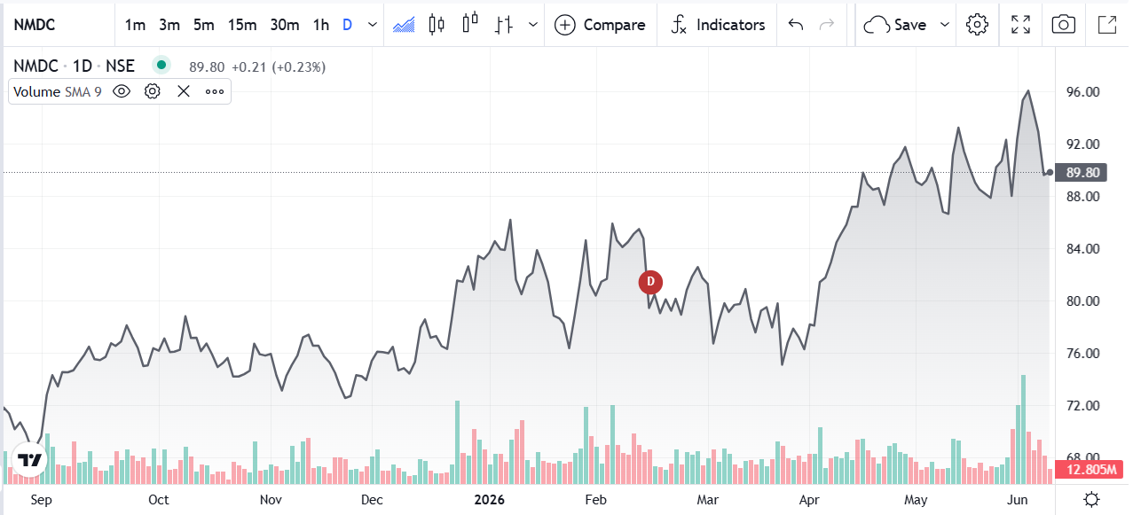
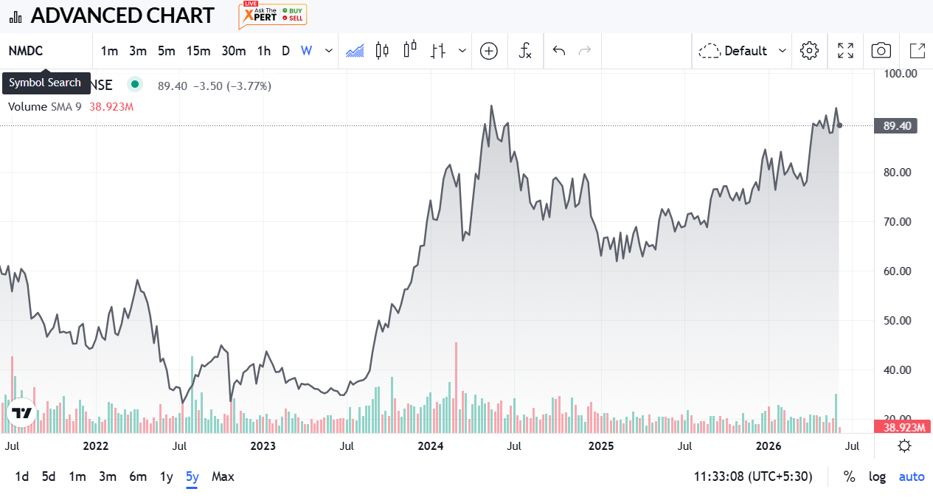
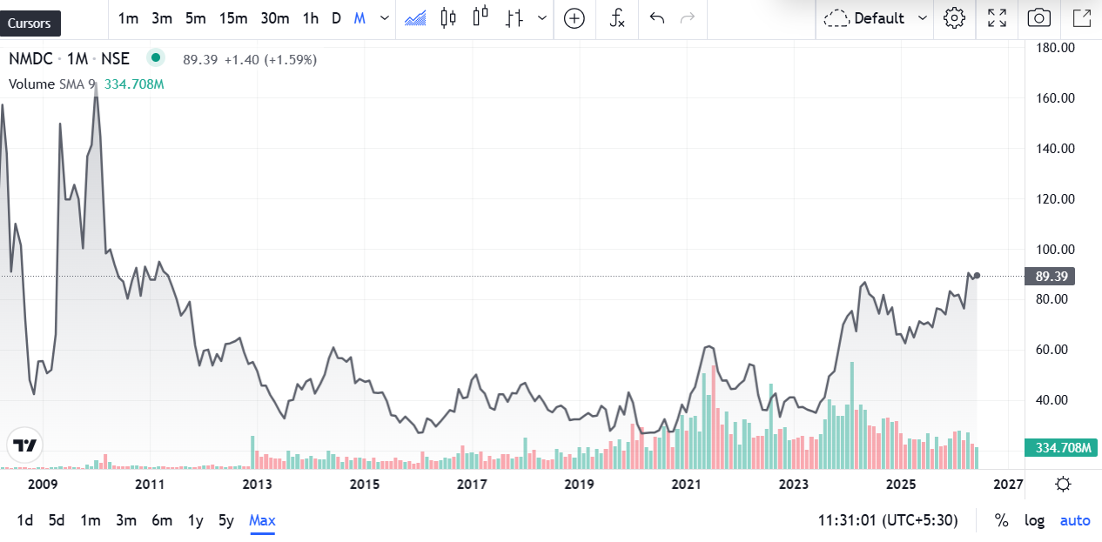
Metric | Value | Financial Year | Revenue (₹ Crore) | Profit After Tax (PAT) (₹ Crore) | Revenue Change (%) | PAT Change (%) | Nifty 50 Change (%) | Nifty 50 Prices
Market Cap | 78598 | FY 2025-26 | 32,070.89 | 7,415.37 | 34.18% | 13.389% | -5% | 22331.4
Current Price | ₹ 89 | FY 2024-25 | 23,900.78 | 6,539.75 | 12.20% | 17.363% | 5% | 23519.35
High / Low | 90.77/89.20 | FY 2023-24 | 21,301.23 | 5,572.24 | 20.61% | 0.611% | 29% | 22326.9
Stock P/E | 10.56 | FY 2022-23 | 17,661.10 | 5,538.40 | -31.76% | -41.030% | -1% | 17359.75
Book Value | 38.9 | FY 2021-22 | 25,881.73 | 9,391.90 |  |  |  | 17464.75
Dividend Yield | ₹ 3.91
ROCE | 28.36%
ROE | 21.87%
Face Value | ₹ 1.00

 |  | NMDC is India's largest iron ore producer — a Navratna PSU with GoI holding 60.79%. FY25 revenue was ₹23,668 Cr with PAT of ₹6,693 Cr. ROCE stands at 32% and ROE at 22%, strong numbers for a commodity mining PSU. No long-term debt as of FY25. H1 FY26 revenue of ₹13,745 Cr is 21% ahead of H1 FY25 — earnings momentum is intact. Dividend yield at 3.91% adds an income component on top of any capital appreciation. Stock trades at 10.56x P/E and ~2.3x P/B — reasonable for a company generating this level of returns. Key risk: iron ore price cyclicality. FY23 revenue fell 32% from FY22 peak, showing how sharply earnings swing when global steel demand softens. Government ownership also means pricing is occasionally influenced by policy. Beta of 1.09 means slight outperformance vs market in rallies, similar downside in corrections. FII + DII together hold ~27%, reflecting genuine institutional conviction.

 |  | ACCUMULATE / HOLD — Not a Sell. At ₹89-90, the stock is in fair-to-cheap territory. 32% ROCE, 3.91% dividend yield, and a clean balance sheet at just 10.5x earnings is not expensive for a market leader in iron ore. Existing investors: hold and collect dividends — business fundamentals are not broken. Fresh entry: wait for ₹80-85 zone and accumulate in tranches, since iron ore cycle always creates periodic dips worth using. This is not a re-rating story — it will not double overnight. It is a steady dividend compounder for long-term investors. Single metric to watch: FY26 iron ore realization per tonne — that number determines whether the stock breaks above ₹100 or corrects toward ₹70 in the next commodity cycle.

Forecasting
Sales Forecasting |  |  |  | EBITDA Forecasting |  |  |  | Earning per share Forecasting
Year Weight | Year | Sales | Sales Growth | Year Weight | Year | EBITDA | EBITDA Growth | Year Weight | Year | EPS | EPS Growth
1 | 2021-03-01 | 15,370.06 |  | 1 | 2021-03-01 | 8,789.27 |  | 1 | 2021-03-01 | 20.62
2 | 2022-03-01 | 25,881.73 | 68% | 2 | 2022-03-01 | 12,582.52 | 43% | 2 | 2022-03-01 | 32.07 | 56%
3 | 2023-03-01 | 17,666.88 | -32% | 3 | 2023-03-01 | 6,052.53 | -52% | 3 | 2023-03-01 | 18.86 | -41%
4 | 2024-02-29 | 21,307.85 | 21% | 4 | 2024-02-29 | 7,292.83 | 20% | 4 | 2024-02-29 | 19.22 | 2%
5 | 2025-02-28 | 23,905.52 | 12% | 5 | 2025-02-28 | 8148.67 | 12% | 5 | 2025-02-28 | 7.61 | -60%
6 | 2026-02-28 | 24575.52 | 3% | 6 | 2026-02-28 | 6601.90 | -19% | 6 | 2026-02-28 | 8.02 | 5%
7 | 2027-02-28 | 25825.22 | 5% | 7 | 2027-02-28 | 5944.81 | -10% | 7 | 2027-02-28 | 4.13 | -48%
8 | 2028-02-28 | 27074.93 | 5% | 8 | 2028-02-28 | 5287.72 | -11% | 8 | 2028-02-28 | 0.24 | -94%
9 | 2029-02-27 | 28324.63 | 5% | 9 | 2029-02-27 | 4630.63 | -12% | 9 | 2029-02-27 | -3.65 | -1613%
10 | 2030-02-27 | 29574.34 | 4% | 10 | 2030-02-27 | 3973.54 | -14% | 10 | 2030-02-27 | -7.53 | 107%
Sales Forecasting
EBITDA Forecasting
EPS Forecasting

